TRM Sources
Country | Region | State/Province | State Code | Status | Resource Name | Version | Effective Date | Age | Public | Applicability | NLC Prevalence | External Link | TRM Summary | Column Labels
Canada | Atlantic | New Brunswick | NB | Confirmed | NB Power Technical Reference Manual | v1.77.3 | 2024-01-01 | < 1 Year | Yes | Statewide | None | https://www.saveenergynb.ca/en/for-business/commercial-buildings-retrofit-program/guidelines/ | Row Labels | Confirmed | Not Found | Grand Total
Canada | Atlantic | Newfoundland | NL | Not Found |  |  |  | N/A | N/A | Unknown/Not Found | Unknown |  | Canada | 3 | 7 | 10
Canada | Atlantic | Nova Scotia | NS | Not Found |  |  |  | N/A | Unknown | Unknown/Not Found | Unknown |  | West | 1 | 2 | 3
Canada | Atlantic | Prince Edward Island | PEI | Not Found |  |  |  | N/A | N/A | Unknown/Not Found | Unknown |  | Atlantic | 1 | 3 | 4
Canada | Central | Manitoba | MB | Not Found |  |  |  | N/A | N/A | Unknown/Not Found | Unknown |  | Central | 1 | 2 | 3
Canada | Central | Ontario | ON | Confirmed | IESO Technical Reference Manual |  | 2020-07-17 | 3 Years | No | Statewide | NLC | N/A | U.S. | 33 | 18 | 51
Canada | Central | Quebec | QC | Not Found |  |  |  | N/A | Unknown | Unknown/Not Found | Unknown |  | Mid-Atlantic | 6 |  | 6
Canada | West | Alberta | AB | Confirmed | Energy Efficiency Alberta TRM | v1 | Nov-20 | 3 Years | Yes | Statewide | None | https://www.aeea.ca/technical-reference-manual/energy-efficiency-alberta-technical-reference-manual | Northwest | 4 | 2 | 6
Canada | West | British Columbia | BC | Not Found |  |  |  | N/A | Unknown | Unknown/Not Found | Unknown |  | South | 4 | 3 | 7
Canada | West | Saskatchewan | SK | Not Found |  |  |  | N/A | N/A | Unknown/Not Found | Unknown |  | Southeast | 1 | 6 | 7
U.S. | Mid-Atlantic | Delaware | DE | Confirmed | Delaware Technical Reference Manual | v2.0 | 2023-04-01 | 1 Year | No | Statewide | NLC | N/A | West | 4 | 3 | 7
U.S. | Mid-Atlantic | District of Columbia | DC | Confirmed | Mid-Atlantic Technical Reference Manual | v10 | 2020-05-01 | 4 Years | Yes | Regional | NLC | https://neep.org/mid-atlantic-technical-reference-manual-trm-v10 | New England | 6 |  | 6
U.S. | Mid-Atlantic | Maryland | MD | Confirmed | Mid-Atlantic Technical Reference Manual | v10 | 2020-05-01 | 4 Years | Yes | Regional | NLC | https://neep.org/mid-atlantic-technical-reference-manual-trm-v10 | Midwest (Plains) | 2 | 4 | 6
U.S. | Mid-Atlantic | New Jersey | NJ | Confirmed | New Jersey 2023 Triennial Technical Reference Manual | 2023 | 2023-05-22 | 1 Year | Yes | Statewide | NLC & LLLC | https://njcepfiles.s3.amazonaws.com/QO23030150-+Tri2+EE1+%2B+EE2-+Order+Attch+C-+TRM.pdf | Midwest (Lakes) | 6 |  | 6
U.S. | Mid-Atlantic | New York | NY | Confirmed | New York Standard Approach for Estimating Energy Savings from Energy Efficiency Programs | v11.0 | 2024-01-01 | < 1 Year | Yes | Statewide | NLC | https://dps.ny.gov/technical-resource-manual-trm | Grand Total | 36 | 25 | 61
U.S. | Mid-Atlantic | Pennsylvania | PA | Confirmed | Pennsylvania Technical Reference Manual | 2021 | 2021-02-04 | 3 Years | Yes | Statewide | None | https://www.puc.pa.gov/filing-resources/issues-laws-regulations/act-129/technical-reference-manual/
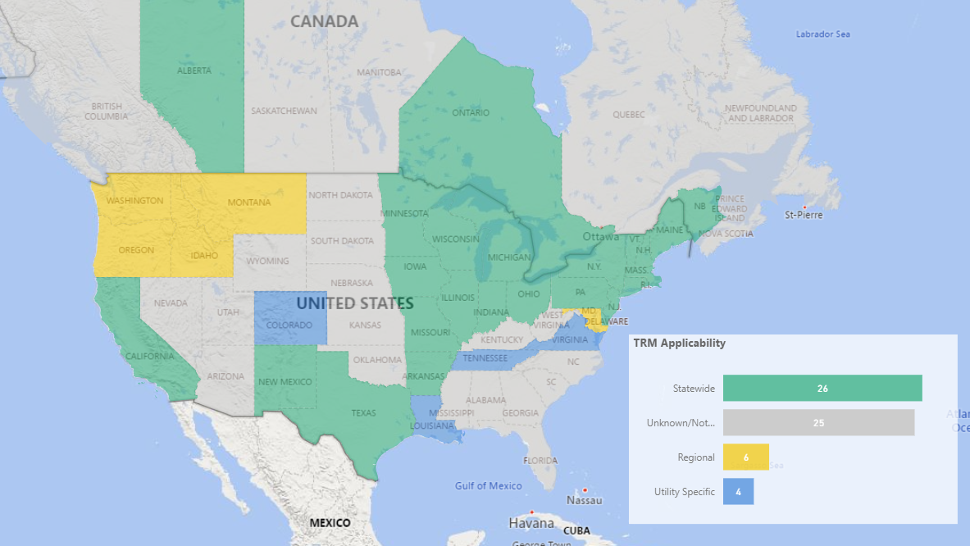
U.S. | Midwest (Lakes) | Illinois | IL | Confirmed | Illinois Statewide Technical Reference Manual | v12.0 | 2024-01-01 | < 1 Year | Yes | Statewide | NLC & LLLC | https://www.ilsag.info/illinois-statewide-technical-reference-manual-version-12-0/
U.S. | Midwest (Lakes) | Indiana | IN | Confirmed | Indiana Technical Reference Manual Workbook | v1.0 | 2023-08-21 | < 1 Year | No | Statewide | NLC & LLLC | https://www.in.gov/iurc/research-policy-and-planning-division/
U.S. | Midwest (Lakes) | Michigan | MI | Confirmed | Michigan Energy Measures Database (MEMD) | 2024 | 2024-01-01 | < 1 Year | Yes | Statewide | NLC | https://www.michigan.gov/mpsc/regulatory/ewr/michigan-energy-measures-database
U.S. | Midwest (Lakes) | Minnesota | MN | Confirmed | State of Minnesota Technical Reference Manual | v4 | 2024-01-01 | < 1 Year | Yes | Statewide | NLC & LLLC | https://mn.gov/commerce/energy/industry-government/cip/technical-reference-manual/
U.S. | Midwest (Lakes) | Ohio | OH | Confirmed | State of Ohio Energy Efficiency Technical Reference Manual | 2020 | 2019-09-23 | 4 Years | Yes | Statewide | None | https://dis.puc.state.oh.us/ViewImage.aspx?CMID=A1001001A19K29B53656G04635
U.S. | Midwest (Lakes) | Wisconsin | WI | Confirmed | Wisconsin Focus on Energy Technical Reference Manual | 2024 | 2024-01-07 | < 1 Year | Yes | Statewide | NLC | https://www.focusonenergy.com/evaluation-reports
U.S. | Midwest (Plains) | Iowa | IA | Confirmed | Iowa Energy Efficiency Statewide Technical Reference Manual | v8.0 | 2024-01-01 | < 1 Year | Yes | Statewide | NLC & LLLC | https://iub.iowa.gov/regulated-industries/energy-efficiency-programs
U.S. | Midwest (Plains) | Kansas | KS | Not Found |  |  |  | N/A | Unknown | Unknown/Not Found | Unknown
U.S. | Midwest (Plains) | Missouri | MO | Confirmed | Missouri Technical Reference Manual |  | 2017-03-31 | 7 Years | Yes | Statewide | None | https://dnr.mo.gov/print/document-search/pub2839
U.S. | Midwest (Plains) | Nebraska | NE | Not Found |  |  |  | N/A | Unknown | Unknown/Not Found | Unknown
U.S. | Midwest (Plains) | North Dakota | ND | Not Found |  |  |  | N/A | Unknown | Unknown/Not Found | Unknown
U.S. | Midwest (Plains) | South Dakota | SD | Not Found |  |  |  | N/A | Unknown | Unknown/Not Found | Unknown
U.S. | New England | Connecticut | CT | Confirmed | Connecticut’s 2024 Program Savings Document | 2024 | 2024-01-01 | < 1 Year | Yes | Statewide | NLC & LLLC | 2024 version not yet published
U.S. | New England | Maine | ME | Confirmed | Efficiency Maine Technical Reference Manual | 2024.2 | 2024-01-01 | < 1 Year | Yes | Statewide | None | https://www.efficiencymaine.com/about/library/policies/
U.S. | New England | Massachusetts | MA | Confirmed | Massachusetts Technical Reference Manual | 2023 | 2023-01-03 | 1 Year | Yes | Statewide | NLC & LLLC | https://www.masssavedata.com/Public/TechnicalReferenceLibrary
U.S. | New England | New Hampshire | NH | Confirmed | New Hampshire Technical Reference Manual | 2022 | 2022-03-01 | 2 Years | Yes | Statewide | None | https://www.puc.nh.gov/regulatory/Docketbk/2020/20-092/LETTERS-MEMOS-TARIFFS/20-092_2022-03-01_NH_UTILITIES_ATT-NHSAVES-PLAN.PDF
U.S. | New England | Rhode Island | RI | Confirmed | Rhode Island Technical Reference Manual | 2022 | 2022-01-01 | 2 Years | Yes | Statewide | None | https://ripuc.ri.gov/sites/g/files/xkgbur841/files/eventsactions/docket/1-PY2022-RI-TRM.pdf
U.S. | New England | Vermont | VT | Confirmed | Efficiency Vermont TRM | 2022 | 2023-01-01 | 1 Year | Yes | Statewide | None | https://publicservice.vermont.gov/sites/dps/files/documents/Efficiency%20Vermont%202022%20Savings%20Verification%20TRM.pdf
U.S. | Northwest | Alaska | AK | Not Found |  |  |  | N/A | N/A | Unknown/Not Found | Unknown
U.S. | Northwest | Idaho | ID | Confirmed | Regional Technical Forum |  | 2024-01-01 | < 1 Year | Yes | Regional | NLC & LLLC | https://rtf.nwcouncil.org/standard-protocol/non-residential-lighting-retrofits/
U.S. | Northwest | Montana | MT | Confirmed | Regional Technical Forum |  | 2024-01-01 | < 1 Year | Yes | Regional | NLC & LLLC | https://rtf.nwcouncil.org/standard-protocol/non-residential-lighting-retrofits/
U.S. | Northwest | Oregon | OR | Confirmed | Regional Technical Forum |  | 2024-01-01 | < 1 Year | Yes | Regional | NLC & LLLC | https://rtf.nwcouncil.org/standard-protocol/non-residential-lighting-retrofits/
U.S. | Northwest | Washington | WA | Confirmed | Regional Technical Forum |  | 2024-01-01 | < 1 Year | Yes | Regional | NLC & LLLC | https://rtf.nwcouncil.org/standard-protocol/non-residential-lighting-retrofits/
U.S. | Northwest | Wyoming | WY | Not Found |  |  |  | N/A | N/A | Unknown/Not Found | Unknown
U.S. | South | Arkansas | AR | Confirmed | Arkansas TRM | v9.1 | 2022-10-20 | 1 Year | Yes | Statewide | None | https://apsc.arkansas.gov/wp-content/uploads/AR_TRM_V9.1_Volume_1_2_and_3_on_8-31-22.pdf
U.S. | South | Kentucky | KY | Not Found |  |  |  | N/A | Unknown | Unknown/Not Found | Unknown
U.S. | South | Louisiana | LA | Confirmed | New Orleans Technical Reference Manual | v6.0 | 2022-10-28 | 1 Year | Yes | Utility Specific | None | https://cityofno.granicus.com/MetaViewer.php?view_id=&clip_id=4329&meta_id=610532
U.S. | South | Mississippi | MS | Not Found |  |  |  | N/A | Unknown | Unknown/Not Found | Unknown
U.S. | South | Oklahoma | OK | Not Found |  |  |  | N/A | N/A | Unknown/Not Found | Unknown
U.S. | South | Tennessee | TN | Confirmed | Tennessee Valley Authority TRM | v6 | 2017-01-01 | 7 Years | No | Utility Specific | None
U.S. | South | Texas | TX | Confirmed | Texas Technical Reference Manual | v11.0 | 2024-01-01 | < 1 Year | Yes | Statewide | NLC | https://texasefficiency.com/trm-docs/
U.S. | Southeast | Alabama | AL | Not Found |  |  |  | N/A | Unknown | Unknown/Not Found | Unknown
U.S. | Southeast | Florida | FL | Not Found |  |  |  | N/A | Unknown | Unknown/Not Found | Unknown
U.S. | Southeast | Georgia | GA | Not Found |  |  |  | N/A | Unknown | Unknown/Not Found | Unknown
U.S. | Southeast | North Carolina | NC | Not Found |  |  |  | N/A | Unknown | Unknown/Not Found | Unknown
U.S. | Southeast | South Carolina | SC | Not Found |  |  |  | N/A | Unknown | Unknown/Not Found | Unknown
U.S. | Southeast | Virginia | VA | Confirmed | Standard Tracking and Engineering Protocols Manual | v10.0 | 2020-01-01 | 4 Years | No | Utility Specific | None
U.S. | Southeast | West Virginia | WV | Not Found |  |  |  | N/A | Unknown | Unknown/Not Found | Unknown
U.S. | West | Arizona | AZ | Not Found |  |  |  | N/A | Unknown | Unknown/Not Found | Unknown
U.S. | West | California | CA | Confirmed | California Electronic Technical Reference Manual | 2024 | 2024-01-01 | < 1 Year | Yes | Statewide | None | https://www.caetrm.com/dashboard/
U.S. | West | Colorado | CO | Confirmed | Public Service Company of Colorado Technical Reference Manual | 2024-2026 | 2024-01-01 | < 1 Year | Yes | Utility Specific | NLC | https://www.xcelenergy.com/company/rates_and_regulations/filings/colorado_demand-side_management
U.S. | West | Hawaii | HI | Confirmed | Hawai‘i Energy Efficiency Program Technical Reference Manual | PY 2023 | 2023-06-13 | 1 Year | Yes | Statewide | None | https://dev.hawaiienergy.com/about/information-reports
U.S. | West | Nevada | NV | Not Found |  |  |  | N/A | Unknown | Unknown/Not Found | Unknown
U.S. | West | New Mexico | NM | Confirmed | New Mexico Technical Resource Manual | 2023 | 2023-03-24 | 1 Year | Yes | Statewide | None | https://www.prc.nm.gov/utilities/energy-efficiency/
U.S. | West | Utah | UT | Not Found |  |  |  | N/A | N/A | Unknown/Not Found | Unknown

Prevalence
North American TRM Lighting Control Review
 | Confirmed | Not Found
West | 1 | 2
Central | 1 | 2
Atlantic | 1 | 3
West | 4 | 3
Southeast | 1 | 6
South | 4 | 3
Northwest | 4 | 2
New England | 6
Midwest (Plains) | 2 | 4
Midwest (Lakes) | 6
Mid-Atlantic | 6
NLC Prevalence in TRMs
 |  |  |  |  |  |  |  |  |  |  | Count of Status | Column Labels |  |  | Row Labels | NLC Measures | LLLC Measures | Room-based Measures
 |  |  |  |  |  |  |  |  |  |  | Row Labels | Confirmed | Not Found | Grand Total | Canada | 1 | 0 | 0
 |  |  |  |  |  |  |  |  |  |  | Canada | 3 | 7 | 10 | West | 0 | 0 | 0
 |  |  |  |  |  |  |  |  |  |  | West | 1 | 2 | 3 | Central | 1 | 0 | 0
 |  |  |  |  |  |  |  |  |  |  | Central | 1 | 2 | 3 | Atlantic | 0 | 0 | 0
 |  |  |  |  |  |  |  |  |  |  | Atlantic | 1 | 3 | 4 | U.S. | 19 | 11 | 6
 |  |  |  |  |  |  |  |  |  |  | U.S. | 33 | 18 | 51 | West | 1 | 0 | 0
 |  |  |  |  |  |  |  |  |  |  | West | 4 | 3 | 7 | Southeast | 0 | 0 | 0
 |  |  |  |  |  |  |  |  |  |  | Southeast | 1 | 6 | 7 | South | 1 | 0 | 0
 |  |  |  |  |  |  |  |  |  |  | South | 4 | 3 | 7 | Northwest | 4 | 4 | 0
 |  |  |  |  |  |  |  |  |  |  | Northwest | 4 | 2 | 6 | New England | 2 | 2 | 2
 |  |  |  |  |  |  |  |  |  |  | New England | 6 |  | 6 | Midwest (Plains) | 1 | 1 | 1
 |  |  |  |  |  |  |  |  |  |  | Midwest (Plains) | 2 | 4 | 6 | Midwest (Lakes) | 5 | 3 | 2
 |  |  |  |  |  |  |  |  |  |  | Midwest (Lakes) | 6 |  | 6 | Mid-Atlantic | 5 | 1 | 1
 |  |  |  |  |  |  |  |  |  |  | Mid-Atlantic | 6 |  | 6 | Grand Total | 20 | 11 | 6
 |  |  |  |  |  |  |  |  |  |  | Grand Total | 36 | 25 | 61

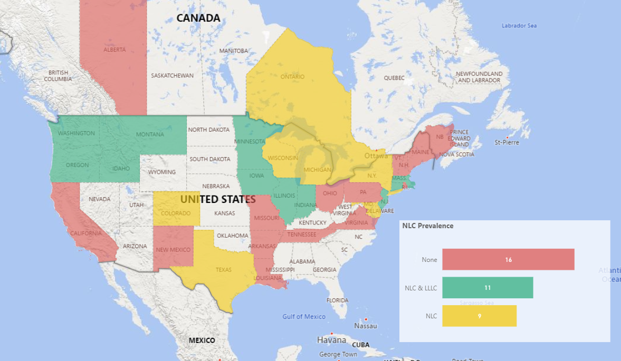
Country | Region | States/ Provinces | TRMs Found | TRMs Not Found | NLC Measures | % with NLC | LLLC Measures | % with LLLC | Room-based Measures | % with Room-based
U.S. | Mid-Atlantic | 6 | 6 | 0 | 5 | 83% | 1 | 17% | 1 | 17%
U.S. | Midwest (Lakes) | 6 | 6 | 0 | 5 | 83% | 3 | 50% | 2 | 33%
U.S. | Midwest (Plains) | 6 | 2 | 4 | 1 | 50% | 1 | 50% | 1 | 50%
U.S. | New England | 6 | 6 | 0 | 2 | 33% | 2 | 33% | 2 | 33%
U.S. | Northwest | 6 | 4 | 2 | 4 | 100% | 4 | 100% | 0 | 0%
U.S. | South | 7 | 4 | 3 | 1 | 25% | 0 | 0% | 0 | 0%
U.S. | Southeast | 7 | 1 | 6 | 0 | 0% | 0 | 0% | 0 | 0%
U.S. | West | 7 | 4 | 3 | 1 | 25% | 0 | 0% | 0 | 0%
U.S. | Subtotal | 51 | 33 | 18 | 19 | 58% | 11 | 33% | 6 | 18%
Canada | Atlantic | 4 | 1 | 3 | 0 | 0% | 0 | 0% | 0 | 0%
Canada | Central | 3 | 1 | 2 | 1 | 100% | 0 | 0% | 0 | 0%
Canada | West | 3 | 1 | 2 | 0 | 0% | 0 | 0% | 0 | 0%
Canada | Subtotal | 10 | 3 | 7 | 1 | 33% | 0 | 0% | 0 | 0%
Grand Total |  | 61 | 36 | 25 | 20 | 56% | 11 | 31% | 6 | 17%

CSF
TRM Control Savings Factor (CSF)
Control Type | TRM Measure Count | Avg Control Savings | Min Control Savings | Control Savings Range | Max Control Savings
OS | 33 | 25% | 20% | 10% | 30%
DL | 28 | 28% | 27% | 3% | 30%
Dual | 19 | 38% | 30% | 10% | 40%
Room-based | 6 | 44% | 35% | 16% | 51%
NLC | 20 | 51% | 35% | 29% | 64%
LLLC | 11 | 58% | 49% | 28% | 77%
Grand Total | 117 | 36% | 20% | 57% | 77%

Avg Control Savings | Control Type
Row Labels | OS | DL | Dual | Room-based | NLC | LLLC
Canada | 24% | 28% | 38% |  | 63%
Atlantic | 24% | 28%
New Brunswick | 24% | 28%
Central |  |  |  |  | 63%
Ontario |  |  |  |  | 63%
West | 24% | 28% | 38%
Alberta | 24% | 28% | 38%
U.S. | 25% | 29% | 38% | 44% | 50% | 58%
Mid-Atlantic | 25% | 28% | 37% | 38% | 57% | 49%
Delaware | 28% | 28% |  |  | 63%
District of Columbia | 28% | 28% |  |  | 63%
Maryland | 28% | 28% |  |  | 63%
New Jersey | 24% | 28% | 38% | 38% | 49% | 49%
New York | 20% | 30% | 35% |  | 49%
Pennsylvania | 24% | 28% | 38%
Midwest (Lakes) | 25% | 28% | 38% | 51% | 53% | 66%
Illinois | 24% | 28% | 38% | 51% | 49% | 61%
Indiana | 24% | 28% | 38% | 51% | 49% | 61%
Michigan | 30% | 30% |  |  | 47%
Minnesota | 22% | 27% | 38% |  | 64% | 77%
Ohio | 24% | 28%
Wisconsin | 24% | 28% |  |  | 56%
Midwest (Plains) | 24% | 28% | 38% | 51% | 61% | 49%
Iowa | 24% | 28% | 38% | 51% | 61% | 49%
Missouri | 24%
New England | 24% | 28% | 36% | 37% | 49% | 49%
Connecticut | 24% | 28% | 38% | 38% | 49% | 49%
Maine | 25%
Massachusetts | 24% | 28% | 38% |  | 49% | 49%
New Hampshire | 24% | 28% | 30% | 35%
Vermont | 24% | 28% | 38%
Northwest | 25% | 30% | 40% |  | 35% | 60%
Idaho | 25% | 30% | 40% |  | 35% | 60%
Montana | 25% | 30% | 40% |  | 35% | 60%
Oregon | 25% | 30% | 40% |  | 35% | 60%
Washington | 25% | 30% | 40% |  | 35% | 60%
South | 25% | 29% | 40% |  | 49%
Arkansas | 30% | 30% | 40%
Tennessee | 20%
Texas | 24% | 28% |  |  | 49%
Southeast | 28%
Virginia | 28%
West | 24% | 28% | 38% |  | 49%
Colorado | 24% | 28% | 38% |  | 49%
Hawaii | 24%
New Mexico | 24% | 28% | 38%
Grand Total | 25% | 28% | 38% | 44% | 51% | 58%

Life
TRM Lighting Control Measure Life
Control Type | TRM Measure Count | Avg Measure Life | Min Measure Life | Measure Life Range | Max Measure Life
OS | 33 | 9.5 | 7.0 | 8.0 | 15.0
DL | 28 | 9.8 | 7.0 | 8.0 | 15.0
Dual | 19 | 9.8 | 7.0 | 8.0 | 15.0
Room-based | 6 | 10.3 | 7.0 | 8.0 | 15.0
NLC | 20 | 11.8 | 7.0 | 9.0 | 16.0
LLLC | 11 | 12.2 | 7.0 | 8.0 | 15.0
Grand Total | 117 | 10.3 | 7.0 | 9.0 | 16.0

Avg Measure Life | Control Type
Row Labels | OS | DL | Dual | Room-based | NLC | LLLC
Canada | 8.5 | 9.0 | 8.0 |  | 16.0
Atlantic | 9.0 | 10.0
New Brunswick | 9.0 | 10.0
Central |  |  |  |  | 16.0
Ontario |  |  |  |  | 16.0
West | 8.0 | 8.0 | 8.0
Alberta | 8.0 | 8.0 | 8.0
U.S. | 9.6 | 9.8 | 9.9 | 10.3 | 11.5 | 12.2
Mid-Atlantic | 9.3 | 9.3 | 8.7 | 8.0 | 9.6 | 8.0
Delaware | 10.0 | 10.0 |  |  | 10.0
District of Columbia | 10.0 | 10.0 |  |  | 10.0
Maryland | 10.0 | 10.0 |  |  | 10.0
New Jersey | 8.0 | 8.0 | 8.0 | 8.0 | 8.0 | 8.0
New York | 10.0 | 10.0 | 10.0 |  | 10.0
Pennsylvania | 8.0 | 8.0 | 8.0
Midwest (Lakes) | 10.7 | 11.0 | 12.7 | 15.0 | 12.2 | 13.7
Illinois | 15.0 | 15.0 | 15.0 | 15.0 | 15.0 | 15.0
Indiana | 15.0 | 15.0 | 15.0 | 15.0 | 15.0 | 15.0
Michigan | 10.0 | 12.0 |  |  | 8.0
Minnesota | 8.0 | 8.0 | 8.0 |  | 8.0 | 11.0
Ohio | 8.0 | 8.0
Wisconsin | 8.0 | 8.0 |  |  | 15.0
Midwest (Plains) | 8.0 | 8.0 | 8.0 | 8.0 | 15.0 | 15.0
Iowa | 8.0 | 8.0 | 8.0 | 8.0 | 15.0 | 15.0
Missouri | 8.0
New England | 9.0 | 8.8 | 8.8 | 8.0 | 11.0 | 11.0
Connecticut | 7.0 | 7.0 | 7.0 | 7.0 | 7.0 | 7.0
Maine | 10.0
Massachusetts | 9.0 | 9.0 | 9.0 |  | 15.0 | 15.0
New Hampshire | 9.0 | 9.0 | 9.0 | 9.0
Rhode Island | 9.0 | 9.0
Vermont | 10.0 | 10.0 | 10.0
Northwest | 12.0 | 12.0 | 12.0 |  | 12.0 | 12.0
Idaho | 12.0 | 12.0 | 12.0 |  | 12.0 | 12.0
Montana | 12.0 | 12.0 | 12.0 |  | 12.0 | 12.0
Oregon | 12.0 | 12.0 | 12.0 |  | 12.0 | 12.0
Washington | 12.0 | 12.0 | 12.0 |  | 12.0 | 12.0
South | 8.7 | 9.0 | 8.0 |  | 10.0
Arkansas | 8.0 | 8.0 | 8.0
Tennessee | 8.0
Texas | 10.0 | 10.0 |  |  | 10.0
Southeast | 10.0
Virginia | 10.0
West | 8.0 | 8.0 | 8.0 |  | 15.0
Colorado | 8.0 | 8.0 | 8.0 |  | 15.0
Hawaii | 8.0
New Mexico | 8.0 | 8.0 | 8.0
Grand Total | 9.5 | 9.8 | 9.8 | 10.3 | 11.8 | 12.2

Operating Hours
TRM Lighting Control Operating Hours
Control Type | TRM Measure Count | Avg Operating Hours | Min Operating Hours | Operating Hours Range | Max Operating Hours
OS | 33 | 3,243 | 1,980 | 2,459 | 4,439
DL | 28 | 3,352 | 2,294 | 2,145 | 4,439
Dual | 19 | 3,335 | 2,294 | 2,145 | 4,439
NLC | 20 | 3,488 | 2,669 | 1,784 | 4,453
LLLC | 11 | 3,700 | 2,920 | 1,533 | 4,453
Room-based | 6 | 3,436 | 2,920 | 1,178 | 4,098
Grand Total | 117 | 3,379 | 1,980 | 2,473 | 4,453

Avg Operating Hours | Control Type
Row Labels | OS | DL | Dual | Room-based | NLC | LLLC
Canada | 3,234 | 3,234 | 2,857 |  | 3,610
Atlantic | 3,610 | 3,610
New Brunswick | 3,610 | 3,610
Central |  |  |  |  | 3,610
Ontario |  |  |  |  | 3,610
West | 2,857 | 2,857 | 2,857
Alberta | 2,857 | 2,857 | 2,857
U.S. | 3,244 | 3,361 | 3,362 | 3,436 | 3,481 | 3,700
Mid-Atlantic | 2,884 | 2,884 | 2,759 | 2,969 | 3,002 | 2,969
Delaware | 3,009 | 3,009 |  |  | 3,009
District of Columbia | 3,009 | 3,009 |  |  | 3,009
Maryland | 3,009 | 3,009 |  |  | 3,009
New Jersey | 2,969 | 2,969 | 2,969 | 2,969 | 2,969 | 2,969
New York | 3,013 | 3,013 | 3,013 |  | 3,013
Pennsylvania | 2,294 | 2,294 | 2,294
Midwest (Lakes) | 3,483 | 3,483 | 3,657 | 3,266 | 3,949 | 4,448
Illinois | 3,266 | 3,266 | 3,266 | 3,266 | 4,453 | 4,453
Indiana | 3,266 | 3,266 | 3,266 | 3,266 | 4,453 | 4,453
Michigan | 2,669 | 2,669 |  |  | 2,669
Minnesota | 4,439 | 4,439 | 4,439 |  | 4,439 | 4,439
Ohio | 3,526 | 3,526
Wisconsin | 3,730 | 3,730 |  |  | 3,730
Midwest (Plains) | 3,045 | 2,920 | 2,920 | 2,920 | 2,920 | 2,920
Iowa | 2,920 | 2,920 | 2,920 | 2,920 | 2,920 | 2,920
Missouri | 3,170
New England | 3,761 | 4,038 | 4,002 | 4,098 | 4,135 | 4,135
Connecticut | 4,098 | 4,098 | 4,098 | 4,098 | 4,098 | 4,098
Maine | 2,378
Massachusetts | 4,171 | 4,171 | 4,171 |  | 4,171 | 4,171
New Hampshire | 4,098 | 4,098 | 4,098 | 4,098
Rhode Island | 4,181 | 4,181
Vermont | 3,642 | 3,642 | 3,642
Northwest | 3,300 | 3,300 | 3,300 |  | 3,300 | 3,300
Idaho | 3,300 | 3,300 | 3,300 |  | 3,300 | 3,300
Montana | 3,300 | 3,300 | 3,300 |  | 3,300 | 3,300
Oregon | 3,300 | 3,300 | 3,300 |  | 3,300 | 3,300
...

